Public Stakeholders
 | 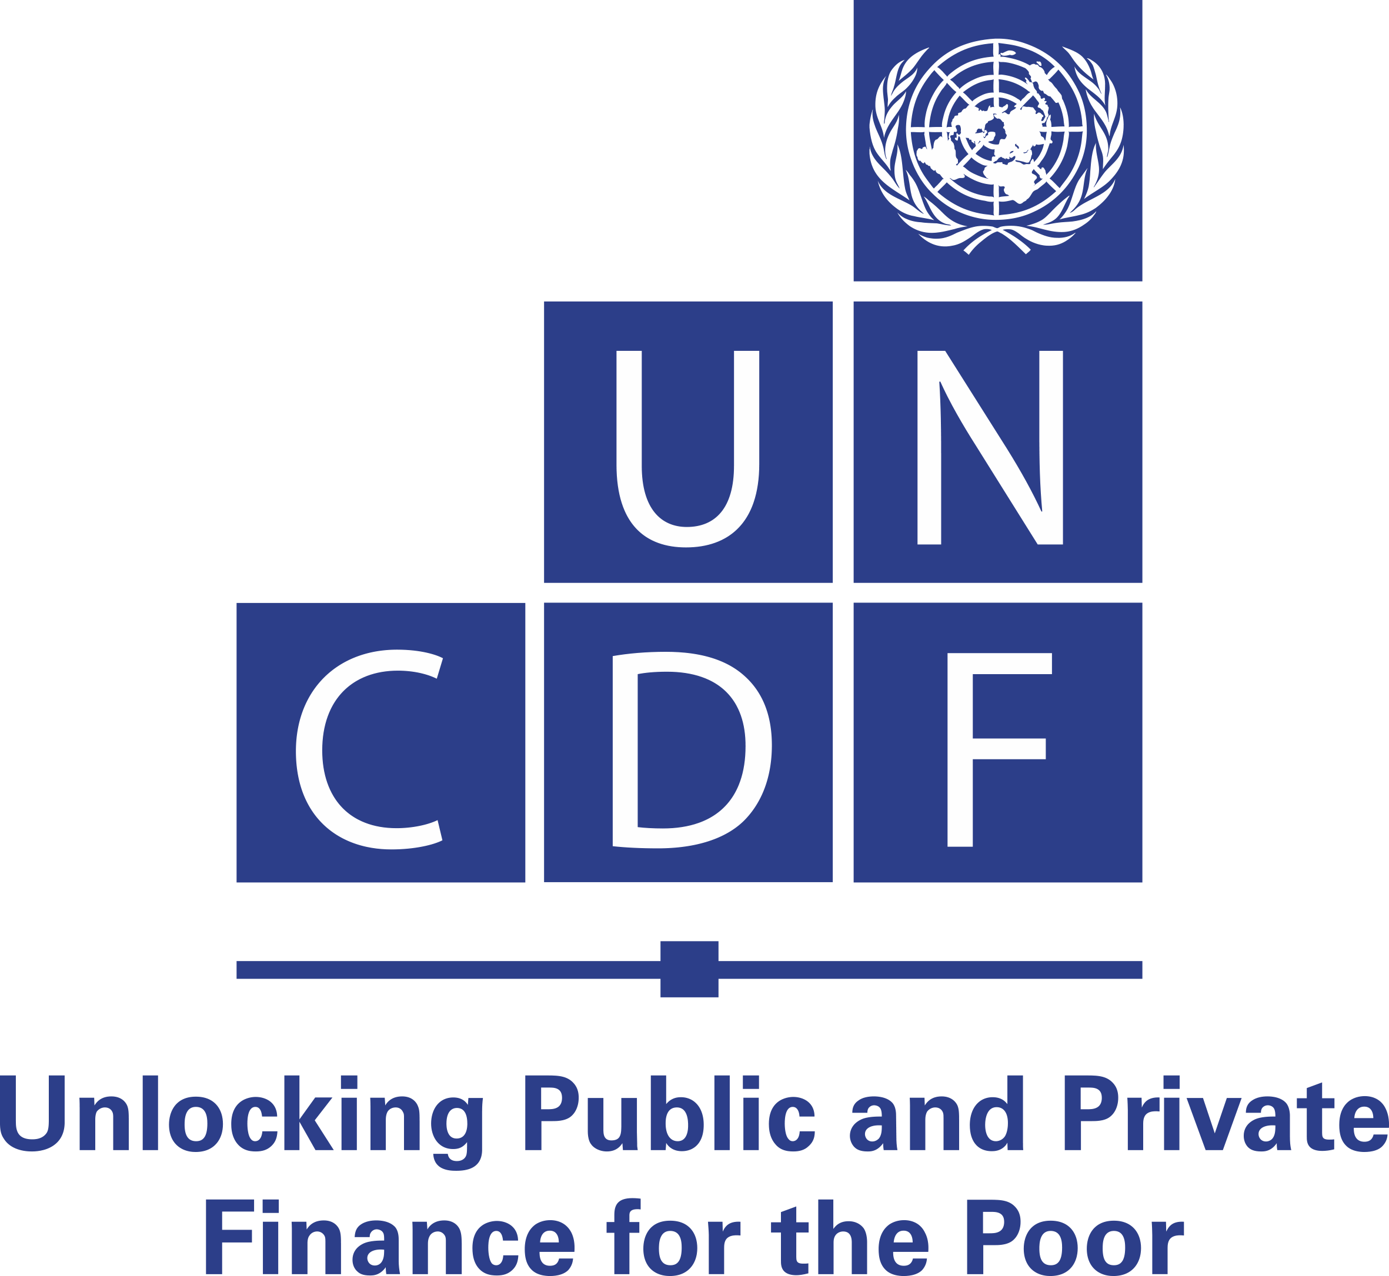 | COUNTRY NAME
 |  | Stakeholder Questionnaire

S/N | STAKEHOLDER | ORGANIZATION Enter the name of the organization. Duplicate rows for each stakeholder of the same type you interview. | ORGANIZATION'S ROLE Add a short summary of the organization and their role in the remittance ecosystem, consider searching for the answers in the quesstions column. | QUESTIONS Use the questions to guide your research and ask the stakeholder directly if not possible. | RESPONSES Record the answers to the questions and interview notes here.

1 | Banking supervision department |  |  | 1. Does the department have a mandate for complete supervision of banks and financial institutions? 2. What is the scope of supervision? And what institutions does it cover, as provided for by the legislation? 3. Are there any provisions under the legislation that may have an impact on the size of the banking sector in terms of outreach and outlets? 4. Are remittance services provided under a bank- or non-bank-led model? 5. Does the supervision of banks and financial institutions extend to RSPs? 6. What are the reporting requirements for remittances, including the kind of returns, formats, frequency, etc.? 7. Are banks allowed to apply a risk-based approach on identification and onboarding of customers/user segments? 8. What challenges does the department face in the execution of its mandate to supervise remittances? 9. In terms of legislation, what can be done to scale up the flow of remittances through regulated channels and enhance the use of digital channels?
2 | Microfinance institution supervision department |  |  | 1. What is the size of the microfinance sub-sector relative to the size of the banking sector, in terms of branch/outlet network and geographic coverage? 2. What are the most common products offered by MFIs? 3. Are there minimum technology requirements for banking software used by MFIs? 4. How many MFIs are currently acting as sub-agents of banks' remittance partners? 5. What are the current requirements for an MFI to become an RSP agent’s sub-agent? 6. What are the requirements for MFIs to have access to the national retail payment system? 7. How do MFIs access the interbank clearing and settlement systems? (Under which conditions or restrictions?) 8. How many MFIs are currently connected to the national retail payment system? 9. What is the level of compliance to anti-money-laundering/countering the financing of terrorism (AML/CFT) requirements? 10. What could be the major challenges for MFIs in becoming direct agents of RSPs?
3 | National payment systems department |  |  | 1. What is the role of the national payment systems department in the remittance space? 2. Is the department responsible for the licensing/authorization and supervision of RSPs? 3. Is the national payments infrastructure integrated with fair access for market players (interoperability)? 4. Are the RSPs granted access to the national payment systems (interbank clearing and settlement systems)? 5. To what extent are the payment and financial services infrastructure compliant with domestic and international safety/security standards? 6. Is the infrastructure built to withstand service disruptions and support effective business continuity plans? 7. Are the public and private sectors working in collaboration to develop resilient payment (domestic and cross-border) infrastructure? 8. Are there any plans to connect the national retail payment systems with regional/international payment hubs and gateways? 9. What can be done to scale up the flow of remittances through regulated channels and enhance the use of digital channels?
4 | Foreign exchange/External sector department |  |  | 1. What is the foreign exchange regime in the country? 2. How is the official foreign exchange rate determined? 3. Are foreign exchange money dealers/changers licensed and regulated? 4. How are remittances-related data, both from regulated and non-regulated channels, captured? 5. How are remittances-related data captured in the BoP? 6. How are received transactions matched to BoP codes? 7. How is the BoP updated based on each type of transaction? 8. What can be done to scale up the quality, flow and analysis of remittances data through both regulated and non-regulated channels?
5 | Legal services department |  |  | 1. Are there consumer dispute and resolution mechanisms or provisions, and are these commensurate with the nature of remittance transactions? 2. Are there data protection, security and privacy provisions that are specific to remittance transactions? 3. Are there competition policies encouraging entry to and a level playing field for the remittance business? 4. What role does the department play in the implementation of AML/CFT requirements?
6 | Financial intelligence unit |  |  | 1. What is the mandate of the unit regarding foreign exchange and cross border remittances? 2. Does the unit have any arrangement on domestic and cross-border regulatory cooperation to strengthen AML/CFT measures through data sharing and enforcement? 3. What challenges does the unit face in implementing an effective AML/CFT regime, especially in the areas of domestic coordination, supervision and enforcement? 4. Of the more than 40 Financial Action Task Force recommendations, which are yet to be complied with and what plans are in place for compliance? 5. How could the recommendations that are not yet complied with affect ongoing initiatives to scale up remittances through formal channels and enhance the use of digital channels?
7 | Telecommunication authority |  |  | 1. What is the mandate of the authority on telecoms, especially in the provision of mobile money services? 2. What are the current telecoms licensing/authorization process? 3. What are the key licensing/authorization requirements ? 4. Is there a limit on the number of telecoms that can be authorized to operate in the country? 5. How does the authority encourage competition in the telecommunications market? 6. What is the mobile money regime in the country? 7. Does the authority have the power to control prices?
8 | Ministry responsible for finance |  |  | 1. Are there national strategies/plans that have been developed to leverage remittances for economic development? 2. What fiscal, monetary or tax incentives are in place to encourage the flow of remittances through formal channels?
9 | Ministry responsible for foreign affairs |  |  | 1. What countries do migrants normally go to? 2. How many migrants have left the country over the past five years (on a monthly or yearly basis)? 3. What could be the main drivers for drawing diaspora to formal remittance channels (e.g. financial literacy, incentives, marketing of the product/service)? 4. What financial literacy campaigns are organized by the government/remittance associations/diaspora network for migrants? 5. What further steps can be taken by the government to keep the migrants informed of various formal channels/remittance products? 6. Do the national consulates in host countries provide IDs to migrants? 7. Are there any plans to incentivize banks to open branches serving the major remittance corridors?
10 | National payments switch |  |  | 1. Is there any legislation governing the national switch? 2. Is the switch operating in real-time and 24/7 under an instant fund transfer system? 3. Are there standard interfaces with all banks and other financial service providers to ensure standard response times? 4. Is interoperability mandated by the legislation? 5. What is the role of the switch in remittances as provided for by the legislation? 6. How active is the switch as far as remittance transactions are concerned? 7. Is there any data protection law that governs the operations of the switch?

